Sheet1
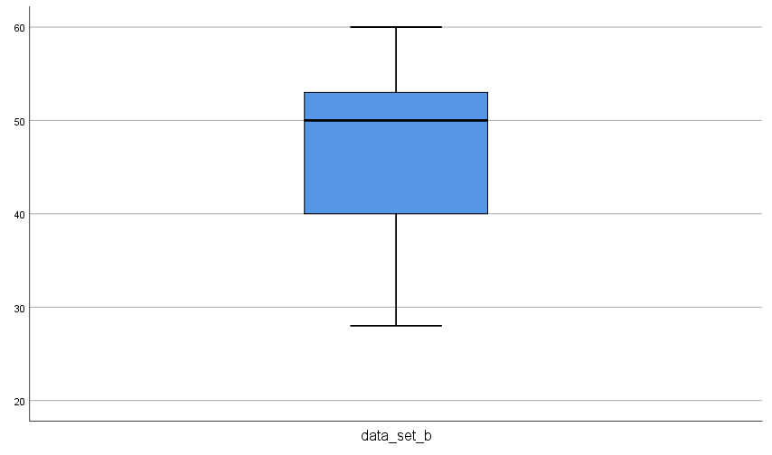
Problem: | From the following data.
Data set A | 60 | 51 | 53 | 41 | 42 | 64 | 54 | 47 | 47 | 63 | 54 | 60
 | 58 | 62
Data Set B | 60 | 28 | 39 | 56 | 52 | 45 | 51 | 40 | 39 | 50 | 60 | 53
 | 43 | 55 | 46 | 42 | 44 | 43 | 46 | 52
(a) | calculate coefficcint of skewness and kurtosis
(b) | Which one is more consistent?
(c) | List the five number summary
(d) | Construct box-plot and describe the shape of the distribution.
(e) | Present the given data using stem and leaf method
(f) | Check the outliers

Working Expression:

SPSS Syntax:

Calculation:

 | Descriptive Statistics
 |  | N | Minimum | Maximum | Mean | Std. Deviation | Skewness |  | Kurtosis
a) |  | Statistic | Statistic | Statistic | Statistic | Statistic | Statistic | Std. Error | Statistic | Std. Error
 | data_set_a | 13 | 41.00 | 64.00 | 54.0769 | 7.92109 | -0.411 | 0.616 | -1.185 | 1.191
 | data_set_b | 20 | 28.00 | 60.00 | 46.0000 | 7.70509 | -0.003 | 0.512 | 0.560 | 0.992
 | Valid N (listwise) | 13

b) | since standard deviation of A is greater that of B so A is more consistent

c)
 | Statistics
 |  |  | Data1 | Data2
 | N | Valid | 14 | 20
 |  | Missing | 6 | 0
 | Minimum |  | 41 | 28
 | Maximum |  | 64 | 60
 | Percentiles | 25 | 47.00 | 42.25
 |  | 50 | 54.00 | 46.00
 |  | 75 | 60.50 | 52.75

d) | Case Processing Summary
 |  | Cases
 |  | Valid |  |  |  | Total
 |  | N |  |  |  | N | Percent
 | data_set_a | 13 | 65.0% | 7 | 35.0% | 20 | 100.0%
 | data_set_b | 13 | 65.0% | 7 | 35.0% | 20 | 100.0%

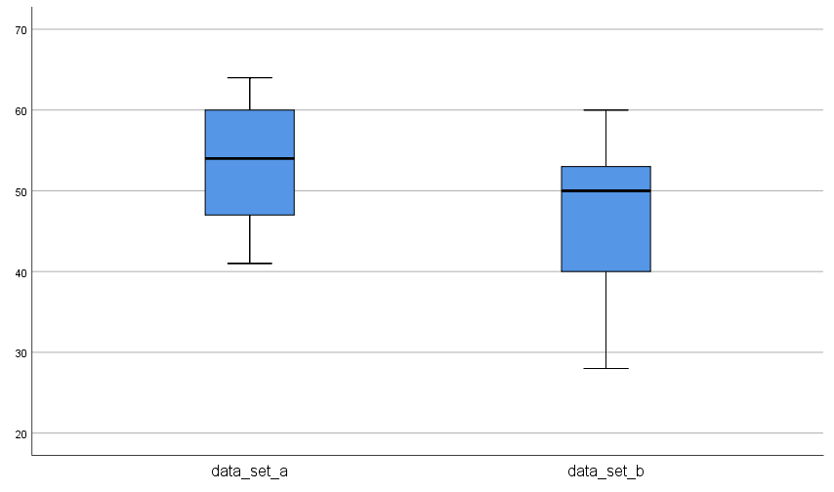

e)

 | Data set A
 |  | data_set_a Stem-and-Leaf Plot

 |  | Frequency Stem & Leaf

 |  | 2.00 4 . 12
 |  | 2.00 4 . 77
 |  | 3.00 5 . 144
 |  | 1.00 5 . 8
 |  | 5.00 6 . 00234

 |  | Stem width: 10.00
 |  | Each leaf: 1 case(s)

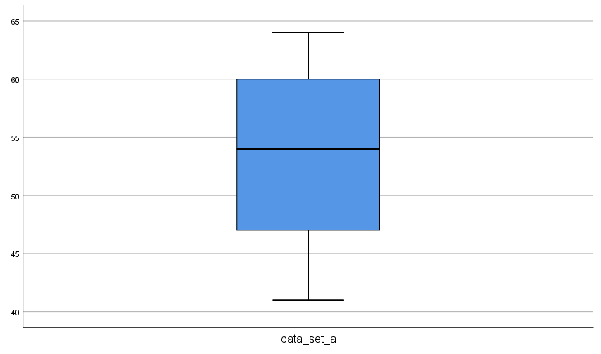

 | data set B

 |  | data_set_b Stem-and-Leaf Plot

 |  | Frequency Stem & Leaf

 |  | 1.00 2 . 8
 |  | 2.00 3 . 99
 |  | 3.00 4 . 035
 |  | 5.00 5 . 01235
 |  | 2.00 6 . 00

 |  | Stem width: 10.00
 |  | Each leaf: 1 case(s)

